Chart
IMAGE | QTY / PCS | CASE PACK | PRODUCT DESCRIPTION | Braha Style # | PRICE | UPC | Comp
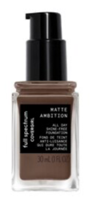 | 2,232 | 72 | Matte Ambition Full Spectrum Foundation Deep Cool | CG-0099 |  | 3614226676139
 | 576 | 72 | Outlast #150 Vivid Violet | CG-0184 |  | 04637923
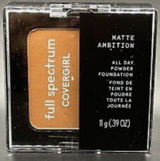 | 5,328 | 72 | Full Spectrum 400 DeepCool All Day Foundation |  |  | 3614227123625
 | 5,760 | 72 | Color Intense Outlast #145 So Marvelous | CG-0114 |  | 04637826
 | 2,160 | 72 | Katy Kat Gloss KP21 Cobalt Kitty | CG-0086 |  | 04649724
 | 4,752 | 72 | Katy Kat Gloss KP30 Candy Cat | CG-0088 |  | 04651729
 | 5,184 | 72 | COVERGIRL COLORLICIOUS LIP GLOSS 710 BERRYLICIOUS | CG-0084 |  | 04602626
 | 72 | 72 | Covergirl Melting Pout Matte Liquid Lipstick 350 Super Model | CG-0108 |  | 46200004967
 | 1,800 | 72 | COVERGIRL Colorlicious High Shine Lip Gloss, 720 Craving Cranberries |  |  | 04603421
 | 2,376 | 72 | Covergirl Colorlicious # 620 Candylicious | CG-0081 |  | 04603324
 | 2,160 | 72 | Colorlicious #640 Juicy Fruit | CG-0082 |  | 04603120
 | 7,632 | 72 | Lip Color Rouge #660 Fruitylicious | CG-0083 |  | 04603528
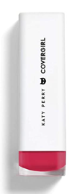 | 4,248 | 72 | Katy Perry KP01 | CG-0121
 | 10,080 | 72 | Covergirl Gloss Idol, Moisturizing Lip Gloss, Yasss |  |  | 3614227092761
 | 7,632 | 72 | KATY WHITE CATTILAC | CG-0085 |  | 04647027
 | 4,392 | 72 | KATY CANTELOUPE | CG-0087 |  | 04652029
 | 1,656 | 72 | COVERGIRL Matte Idol, Liquid Lipstick, Fortune | CG-0096 |  | 3614227900226
 | 3,240 | 72 | Full Spectrum Matte Idol Liquid Lipstick - 299 Saint by CoverGirl |  |  | 3614227900240
 | 1,080 | 72 | COVERGIRL Full Spectrum Gloss Idol Moisturizing Lip Gloss, Bounce | CG-0095 |  | 3614227092778
 | 1,080 | 72 | COVERGIRL Melting Pout Matte Liquid Lipstick #355 Gray Matter | CG-0107 |  | 46200004899
 | 72 | 72 | COVERGIRL Full Spectrum Gloss Idol Moisturizing Lip Gloss, Snatched |  |  | 3614227092693
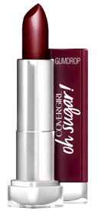 | 360 | 72 | Covergirl Oh Sugar! Vitamin Infused Balm, Gumdrop |  |  | 04628624
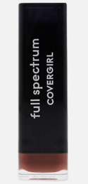 | 864 | 72 | Full Spectrum Color Idol Satin Lipstick - Undone |  |  | 3614227631519
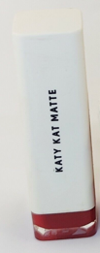 | 144 | 72 | Covergirl Lipstick Katy Kat Matte KP05 Crimson Kat |  |  | 04632229
 | 792 | 72 | COVERGIRL Gloss Idol Moiturizing Lip Gloss Disco Balls |  |  | 3614227092655
 | 2,232 | 72 | COVERGIRL Matte Idol 295 Major Full Spectrum Lip Gloss |  |  | 3614227900233
 | 720 | 72 | COVERGIRL Full Spectrum Matte Idol Liquid Lipstick Waterproof Gains 275 |  |  | 3614227900202
 | 72 | 72 | COVERGIRL Full Spectrum Gloss Idol Moisturizing Lip Gloss, Amirite |  |  | 3614227092709
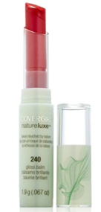 | 360 | 72 | Covergirl Swiss Naturelux Tulip #240
 | 2,520 | 72 | Covergirl Swiss Naturelux Anemone $255
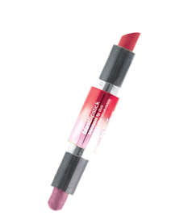 | 7,704 | 72 | Covergirl Blast Flipstick Perky #825
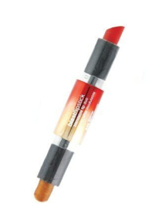 | 864 | 72 | Covergirl Blast Flipstick Stunner #840
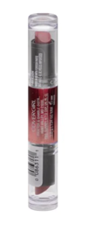 | 5,976 | 72 | COVERGIRL BlastFlipstick Lipcolor Whisper 800
 | 1,440 | 72 | Covergirl Outlast Double Shine Caberet #255 |  |  | 022700088645
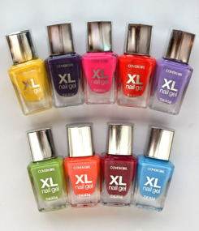 | 5,852 | 154 | Covergirl XL Nail Polish Assorted
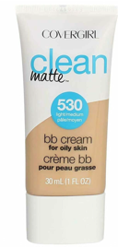 | 96 | 24 | Covergirl Clean Matte BB Cream Oily Skin Assorted
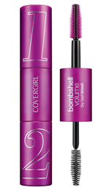 | 900 | 150 | Covergirl Bombshell Volume Lashblast Mascara Black Brown Loose
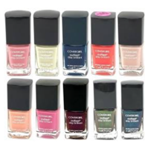 | 12,288 | 192 | Covergirl Outlast Nail Polish Assorted
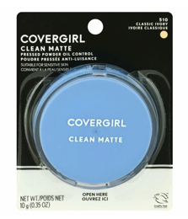 | 72 | 72 | Covergirl Clean Matte Pressed Powder Oil Control Classic Ivory #510

 | 116,768

